BOM
Item | Part Number | Thumbnail | BOM Structure | Unit QTY | QTY | Stock Number | Description | REV
1 | EL2-001 | 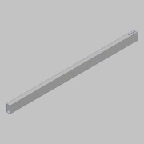 | Normal | Each | 1
2 | WCP-0199 |  | Normal | Each | 1 |  | STEP AP214 | ANY
3 | EL2-400 | 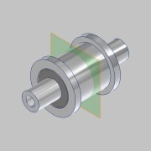 | Normal | Each | 1

